Gas
filename | final_single_point_energy
./opt.out | -342.38002594 | Hartrees | ./opt_non.out | -342.36782574 | Hartrees
 | -898918.62799 | kJ/mol |  | -898886.59639 | kJ/mol
 | 0 | kJ/mol |  | 32.031601618 | kJ/mol

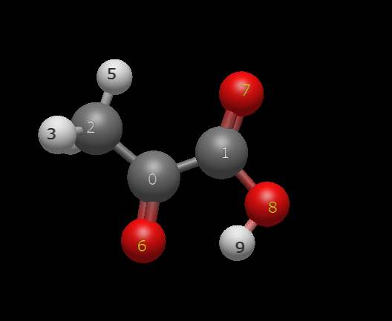
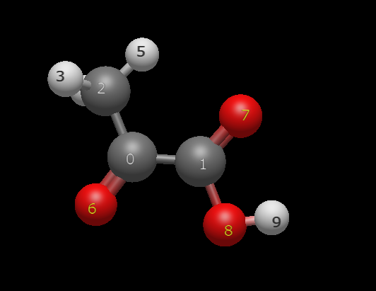

Atom | QA |  | Atom | QA
0 C | 0.0733 |  | 0 C | 0.0049
1 C | 0.8002 |  | 1 C | 0.8516
2 C | 0.6144 |  | 2 C | 0.6642
3 H | -0.1168 |  | 3 H | -0.1296
4 H | -0.1168 |  | 4 H | -0.1308
5 H | -0.2687 |  | 5 H | -0.317
6 O | -0.8888 |  | 6 O | -0.782
7 O | -0.6844 |  | 7 O | -0.7423
8 O | -0.5546 |  | 8 O | -0.535
9 H | 0.1422 |  | 9 H | 0.116

1 Water
filename | final_single_point_energy
./hm_opt_1_wat.out | -418.82277788 | Hartrees | ./vaz_1_wat.out | -418.82231972 | Hartrees | ./dor_1_wat.out | -418.82231957 | Hartrees
 | -1099619.0442 | kJ/mol |  | -1099617.8413 | kJ/mol |  | -1099617.8409 | kJ/mol
 | 0 | kJ/mol |  | 1.2029164601 | kJ/mol |  | 1.2033128894 | kJ/mol

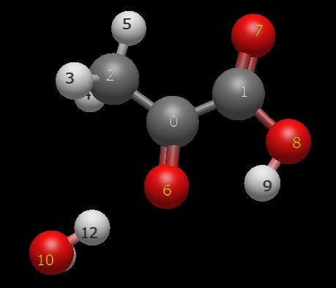
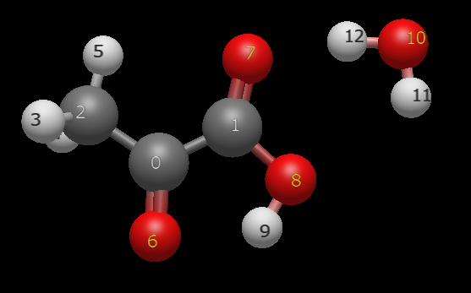
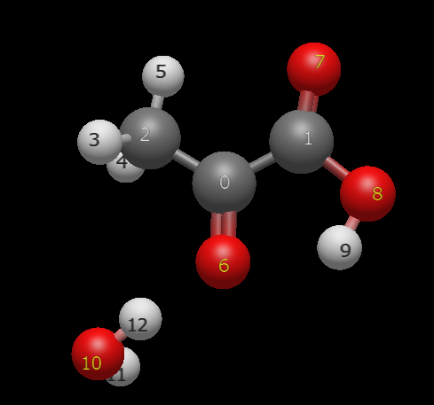

Atom | QA |  | Atom | QA |  | Atom | QA
0 C | -0.0149 |  | 0 C | 0.171 |  | 0 C | 0.1718
1 C | 0.9355 |  | 1 C | 0.7867 |  | 1 C | 0.7865
2 C | 0.6275 |  | 2 C | 0.6059 |  | 2 C | 0.6085
3 H | -0.1045 |  | 3 H | -0.0939 |  | 3 H | -0.0965
4 H | -0.1045 |  | 4 H | -0.1111 |  | 4 H | -0.1075
5 H | -0.2816 |  | 5 H | -0.2967 |  | 5 H | -0.3027
6 O | -0.8786 |  | 6 O | -0.9909 |  | 6 O | -0.9937
7 O | -0.7398 |  | 7 O | -0.6674 |  | 7 O | -0.6676
8 O | -0.5782 |  | 8 O | -0.5461 |  | 8 O | -0.5463
9 H | 0.173 |  | 9 H | 0.1492 |  | 9 H | 0.1506
10 O | -0.3647 |  | 10 O | -0.331 |  | 10 O | -0.3304
11 H | 0.1123 |  | 11 H | 0.0611 |  | 11 H | 0.0604
12 H | 0.2185 |  | 12 H | 0.2634 |  | 12 H | 0.2668

1 Water non
./non_1_wat.out | -418.81370494 | Hartrees | ./vaz_non_1_wat.out | -418.80984732 | Hartrees
 | -1099595.2232 | kJ/mol |  | -1099585.095 | kJ/mol
 | 0 | kJ/mol |  | 10.128182084 | kJ/mol

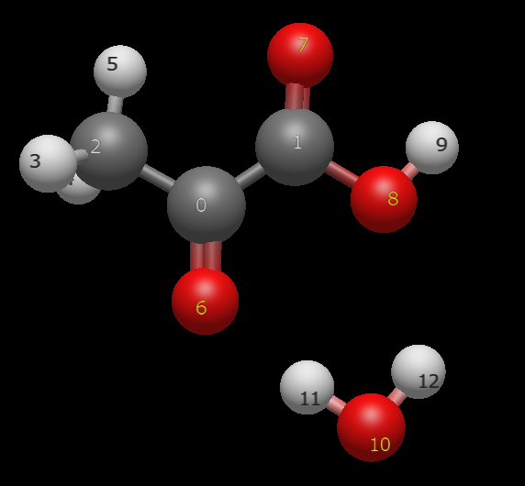
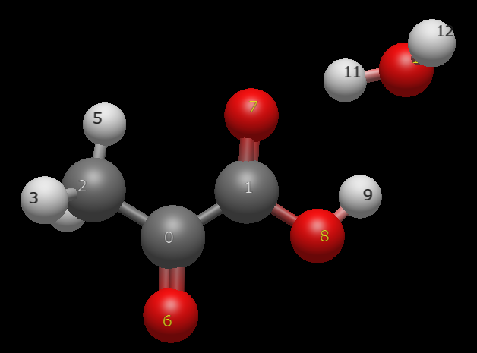

Atom | QA |  | Atom | QA
0 C | 0.0443 |  | 0 C | -0.0575
1 C | 0.8889 |  | 1 C | 0.9502
2 C | 0.6139 |  | 2 C | 0.6926
3 H | -0.1179 |  | 3 H | -0.1247
4 H | -0.1172 |  | 4 H | -0.1262
5 H | -0.305 |  | 5 H | -0.353
6 O | -0.8382 |  | 6 O | -0.7742
7 O | -0.7268 |  | 7 O | -0.8016
8 O | -0.5813 |  | 8 O | -0.5099
9 H | 0.1475 |  | 9 H | 0.0996
10 O | -0.3468 |  | 10 O | -0.3488
11 H | 0.2259 |  | 11 H | 0.2736
12 H | 0.1125 |  | 12 H | 0.0798

2 Water
filename | final_single_point_energy
./dor_2_wat_retry_3.out | -495.26332857 | Hartrees | ./hm_opt_2_wat.out | -495.2633199 | Hartrees | ./vaz_2_wat.out | -495.25976075 | Hartrees
 | -1300313.681 | kJ/mol |  | -1300313.6582 | kJ/mol |  | -1300304.3137 | kJ/mol
 | 0 | kJ/mol |  | 0.022765552392 | kJ/mol |  | 9.3672987907 | kJ/mol

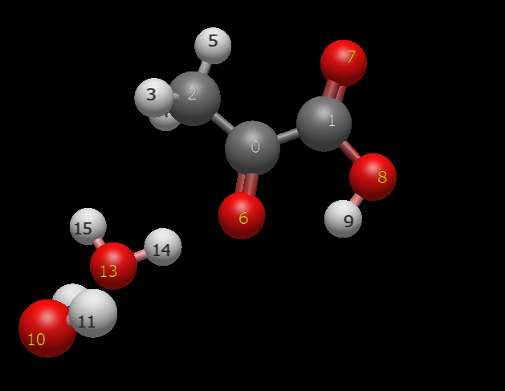
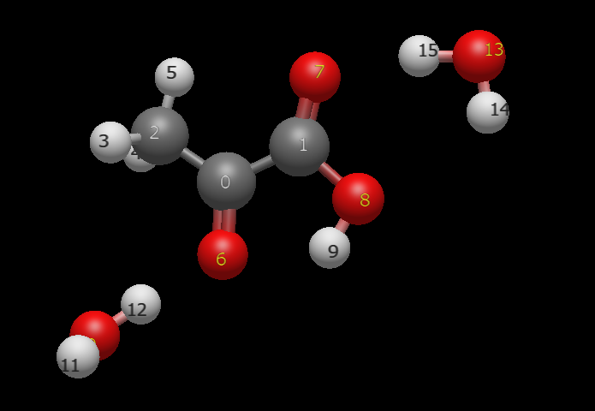
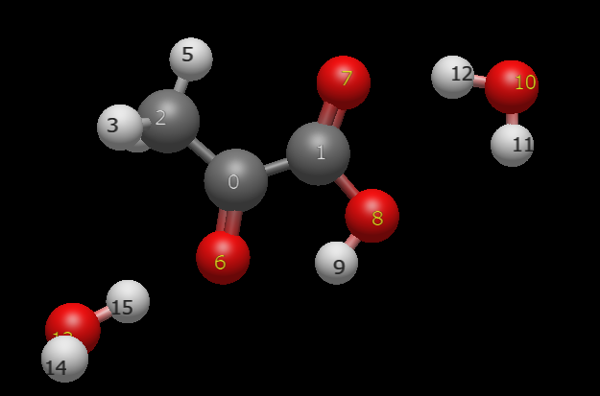

Atom | QA |  | Atom | QA |  | Atom | QA
0 C | 0.116 |  | 0 C | 0.1115 |  | 0 C | 0.2
1 C | 0.8945 |  | 1 C | 0.8973 |  | 1 C | 0.7905
2 C | 0.6175 |  | 2 C | 0.6186 |  | 2 C | 0.6419
3 H | -0.0995 |  | 3 H | -0.1021 |  | 3 H | -0.1045
4 H | -0.0867 |  | 4 H | -0.085 |  | 4 H | -0.1193
5 H | -0.3031 |  | 5 H | -0.3013 |  | 5 H | -0.3201
6 O | -1.0022 |  | 6 O | -1.0001 |  | 6 O | -0.995
7 O | -0.7316 |  | 7 O | -0.7315 |  | 7 O | -0.6572
8 O | -0.5799 |  | 8 O | -0.5799 |  | 8 O | -0.5435
9 H | 0.178 |  | 9 H | 0.178 |  | 9 H | 0.1516
10 O | -0.3093 |  | 10 O | -0.3536 |  | 10 O | -0.2942
11 H | 0.0633 |  | 11 H | 0.1128 |  | 11 H | 0.0781
12 H | 0.2682 |  | 12 H | 0.2154 |  | 12 H | 0.2185
13 O | -0.3534 |  | 13 O | -0.3102 |  | 13 O | -0.4972
14 H | 0.1128 |  | 14 H | 0.0655 |  | 14 H | 0.314
15 H | 0.2154 |  | 15 H | 0.2648 |  | 15 H | 0.1366

2 Water non
./non_2_wat_1.out | -495.25423054 | Hartrees | ./non_2_wat_2.out | -495.25422515 | Hartrees | ./vaz_non_2_wat.out | -495.24820904 | Hartrees
 | -1300289.7941 | kJ/mol |  | -1300289.7799 | kJ/mol |  | -1300273.9846 | kJ/mol
 | 0 | kJ/mol |  | 0.014169117901 | kJ/mol |  | 15.809458328 | kJ/mol

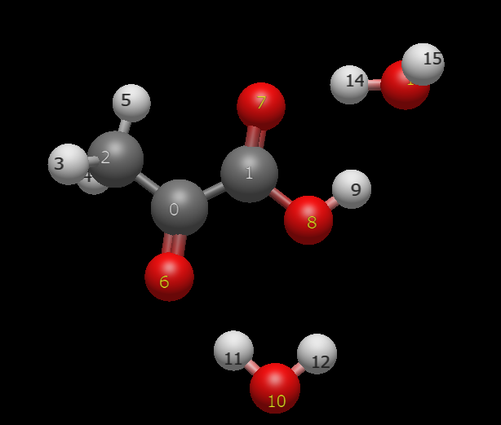
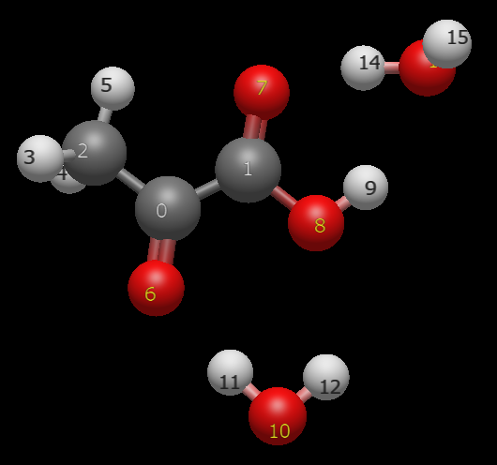
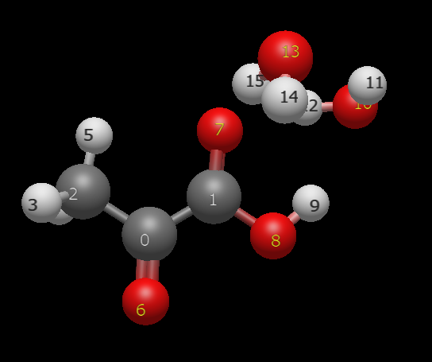

Atom | QA |  | Atom | QA |  | Atom | QA
0 C | -0.0498 |  | 0 C | -0.0491 |  | 0 C | -0.0619
1 C | 1.0194 |  | 1 C | 1.02 |  | 1 C | 0.9799
2 C | 0.6334 |  | 2 C | 0.6331 |  | 2 C | 0.6926
3 H | -0.1125 |  | 3 H | -0.1126 |  | 3 H | -0.1103
4 H | -0.1175 |  | 4 H | -0.1176 |  | 4 H | -0.1221
5 H | -0.337 |  | 5 H | -0.3372 |  | 5 H | -0.3663
6 O | -0.8234 |  | 6 O | -0.8238 |  | 6 O | -0.7554
7 O | -0.7919 |  | 7 O | -0.7917 |  | 7 O | -0.8422
8 O | -0.5546 |  | 8 O | -0.5552 |  | 8 O | -0.5285
9 H | 0.1292 |  | 9 H | 0.1292 |  | 9 H | 0.115
10 O | -0.3416 |  | 10 O | -0.342 |  | 10 O | -0.3583
11 H | 0.2228 |  | 11 H | 0.2246 |  | 11 H | 0.122
12 H | 0.1153 |  | 12 H | 0.1143 |  | 12 H | 0.2448
13 O | -0.3518 |  | 13 O | -0.3535 |  | 13 O | -0.3553
14 H | 0.2675 |  | 14 H | 0.2684 |  | 14 H | 0.1339
15 H | 0.0926 |  | 15 H | 0.093 |  | 15 H | 0.2121

